Dashboard
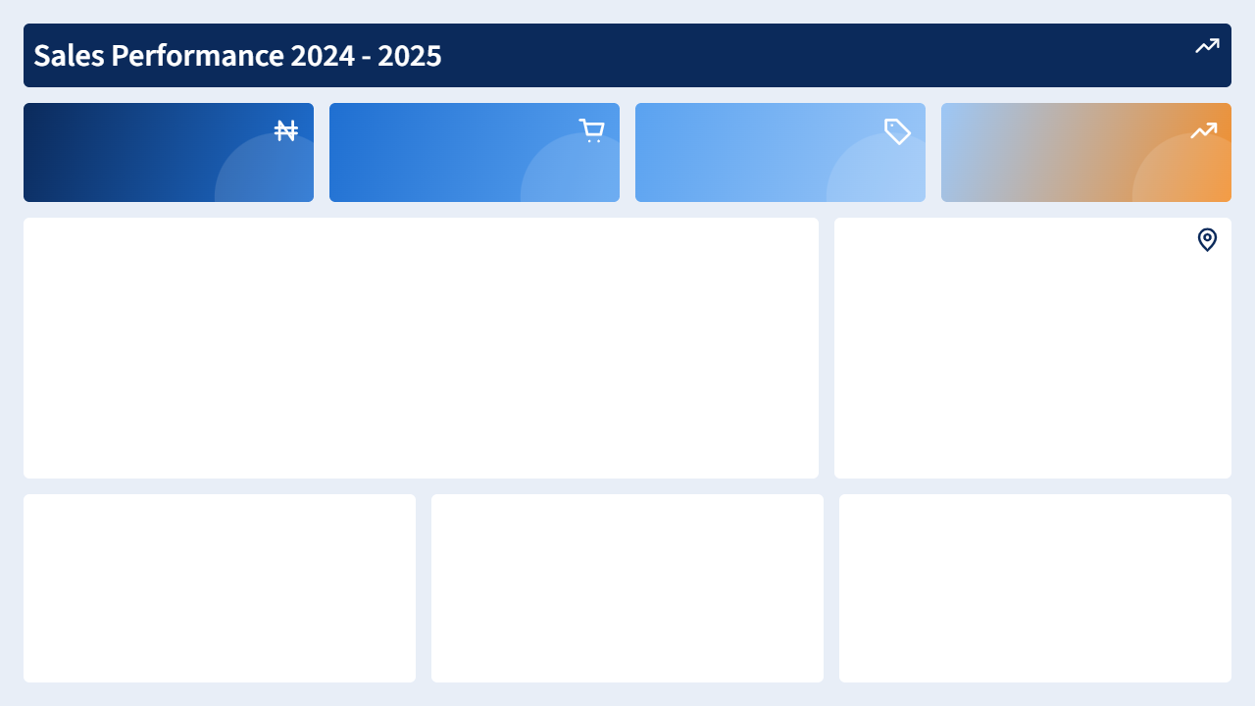

957804
63.95
314068.05
5956

Total Sales
Total Discount
Total Profit
Total Quantity

Revenue by category and year
 | 2024 | 2025
Appliances | 37205 | 35170
Electronics | 307380 | 318105
Furniture | 81710 | 82980
Office Supplies | 51796 | 43458
Monthly revenue trend
 | Total
Apr | 79716
Aug | 74835
Dec | 102147
Feb | 52782
Jan | 45553
Jul | 66064
Jun | 69103
Mar | 104272
May | 97478
Nov | 129446
Oct | 64163
Sep | 72245

Channel by profit
 | Total
Distributor | 70224
Online | 139801.1
Retail Store | 104042.95
Top 5 customers by sales
 | Total
Amina Okafor | 44659
Emeka Lawal | 32950
Musa Bello | 29756
Ngozi Udoh | 36154
Tola Danjuma | 34538
Profit by region
 | Total
East | 314068.05
North | 314068.05
South | 314068.05
West | 314068.05

